LT BOND
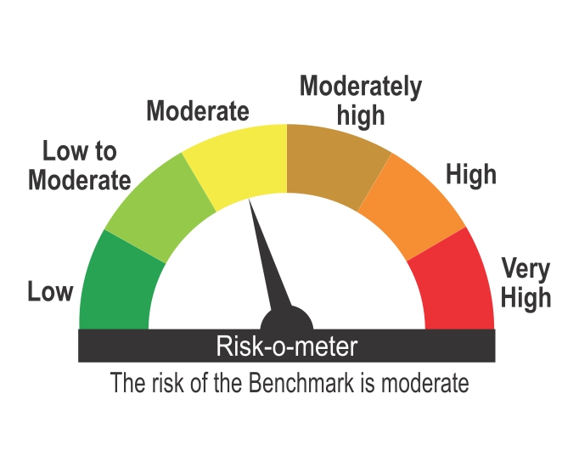
ICICI Prudential Mutual Fund
ICICI Prudential Long Term Bond Fund
Portfolio as on Apr 30,2026
Company/Issuer/Instrument Name | ISIN | Coupon | Industry/Rating | Quantity | Exposure/Market Value(Rs.Lakh) | % to Nav | Yield of the instrument | Yield to Call @
Debt Instruments |  |  |  |  | 83437.83 | 98.12%

Listed / Awaiting Listing On Stock Exchanges |  |  |  |  | 83437.83 | 98.12%

Government Securities |  |  |  |  | 83366.72 | 98.03%
Government Securities | IN0020240035 | 7.34 | SOV | 36701500 | 35174.35 | 41.36% | 7.83
Government Securities | IN0020250018 | 6.9 | SOV | 9800000 | 8884.29 | 10.45% | 7.80
State Government of Maharashtra | IN2220250194 | 7.13 | SOV | 7500000 | 6977.64 | 8.21% | 7.94
State Government of Maharashtra | IN2220240427 | 7.12 | SOV | 4960700 | 4715.72 | 5.55% | 7.92
State Government of Maharashtra | IN2220250202 | 7.15 | SOV | 5000000 | 4655.74 | 5.47% | 7.95
State Government of Maharashtra | IN2220250210 | 7.16 | SOV | 5000000 | 4653.38 | 5.47% | 7.95
State Government of Rajasthan | IN2920250221 | 7.56 | SOV | 2500000 | 2432.47 | 2.86% | 8.02
State Government of Madhya Pradesh | IN2120250195 | 7.51 | SOV | 2500000 | 2414.81 | 2.84% | 7.99
State Government of Maharashtra | IN2220240435 | 7.14 | SOV | 2500000 | 2372.34 | 2.79% | 7.93
State Government of Andhra Pradesh | IN1020250321 | 7.5 | SOV | 2261900 | 2177.52 | 2.56% | 8.03
State Government of Andhra Pradesh | IN1020250339 | 7.5 | SOV | 2261900 | 2174.62 | 2.56% | 8.04
State Government of Maharashtra | IN2220250186 | 7.12 | SOV | 2085000 | 1935.11 | 2.28% | 7.97
State Government of Madhya Pradesh | IN2120250187 | 7.48 | SOV | 1805700 | 1737.47 | 2.04% | 8.02
Government Securities | IN0020250075 | 7.24 | SOV | 1038300 | 996.98 | 1.17% | 7.72
State Government of Bihar | IN1320250112 | 7.52 | SOV | 853500 | 841.04 | 0.99% | 7.87
State Government of Haryana | IN1620250184 | 7.43 | SOV | 694100 | 669.92 | 0.79% | 8.01
State Government of West Bengal | IN3420240241 | 7.29 | SOV | 577700 | 553.32 | 0.65% | 7.99

Non-Convertible debentures / Bonds |  |  |  |  | 71.11 | 0.08%
Indian Railway Finance Corporation Ltd. ** | INE053F09EL2 | 8.75 | CRISIL AAA | 6 | 60.59 | 0.07% | 7.13
NABARD ** | INE261F08BE4 | 8.62 | CRISIL AAA | 1 | 10.52 | 0.01% | 7.71

Zero Coupon Bonds / Deep Discount Bonds |  |  |  |  | Nil | Nil

Privately Placed/unlisted |  |  |  |  | Nil | Nil

Securitized Debt Instruments |  |  |  |  | Nil | Nil

Term Deposits |  |  |  |  | Nil | Nil

Deposits (maturity not exceeding 91 days) |  |  |  |  | Nil | Nil

Deposits (Placed as Margin) |  |  |  |  | Nil | Nil

Money Market Instruments |  |  |  |  | Nil | Nil

Certificate of Deposits |  |  |  |  | Nil | Nil

Commercial Papers |  |  |  |  | Nil | Nil

Bills Rediscounted |  |  |  |  | Nil | Nil

Treasury Bills |  |  |  |  | Nil | Nil

Units of an Alternative Investment Fund (AIF) |  |  |  |  | 331.03 | 0.39%
Corporate Debt Market Development Fund (Class A2) | INF0RQ622028 |  | Financial Services | 2817 | 331.03 | 0.39%

TREPS |  |  |  |  | 1753.30 | 2.06%

Net Current Assets |  |  |  |  | -484.11 | -0.57%
Total Net Assets |  |  |  |  | 85038.05 | 100.00%

Notes
1. Details of security in default beyond its maturity date and its % to NAV as on Apr 30,2026 | Nil
2. Total Value and Percentage of Non Traded/Unlisted/Unquoted/Illiquid shares | Nil
3. ICICI Prudential Long Term Bond Fund - NAV & Dividend

Plan Name | NAV per Unit - 31-Mar-2026 | NAV per Unit - 30-Apr-2026 | Dividend declared during the Month ended 30-Apr-2026 (Rs.)/Unit
Growth Option | 88.2452 | 89.5222 | -
Quarterly IDCW Option | 12.0613 | 12.2359 | -
Direct Plan - Growth Option | 96.9390 | 98.3831 | -
Direct Plan - Quarterly IDCW Option | 12.4008 | 12.5856 | -

4. Total outstanding exposure in derivatives instrument | Nil
5. Total market value of Investment in Foreign Securities / ADRs / GDRs / Overseas ETFs as on Apr 30,2026 | Nil
6. Average Maturity | 29.14 years
7. Details of Term deposits placed as margin | Nil

Non-Convertible debentures / Bonds & Zero Coupon Bonds / Deep Discount Bonds / Certificate of Deposits / Commercial Papers are considered as Traded based on the information provided by external agencies.
For the Instrument/security whose final ISIN is yet to be assigned, disclosure of ISIN has been made as per the details provided by external agencies.
@ As per AMFI Best Practices Guidelines Circular No. 91/ 2020 - 21 dated March 24, 2021 on Valuation of AT-1 Bonds and Tier 2 Bonds, Yield to call is disclosed for AT-1 Bonds and Tier 2 Bonds issued by Banks as provided by Valuation agencies.
For Instances of Deviation In valuation Of Securities as per SEBI master circular ref no HO/24/13/11(1)2026-IMD-POD-1/I/7602/2026 dated March 20, 2026. Refer link: https://www.icicipruamc.com/about-us/statutory-disclosures?currentTabFilter=OtherDisclosures&&subCatTabFilter=deviationinvaluationofsecurities
As per AMFI Best Practices Guidelines Circular No. AMFI/ 35P/ MEM-COR/ 72 / 2022-23 dated December 31, 2022 on Standard format for disclosure Portfolio YTM for Debt Schemes, Yield of the instrument is disclosed on annualized basis as provided by Valuation agencies.

Scheme Riskometer

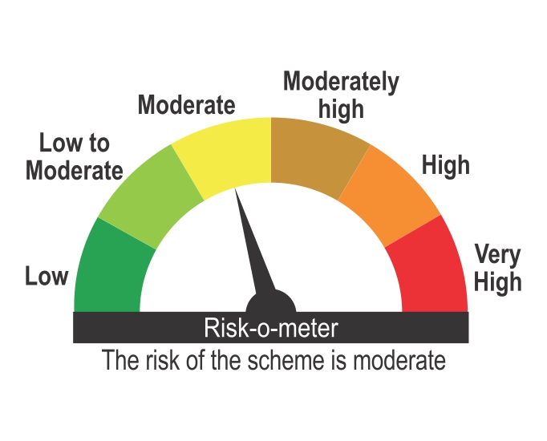

Benchmark Riskometer
Benchmark name - CRISIL Long Duration Debt A-III Index

